Component layout
Layout for F25 cabinet with S7-1500 Only for flexbot machines.
 | Maarten L | 2023-04-06 | V1.0
301-2006 (900mm) | Kabelgoot 60 x 60 Verticaal links
758-9282 (420mm) | Kabelgoot 40 x 60 Verticaal rechts
758-9282 (420mm) | Kabelgoot 40 x 60 Horizontaal 1e van boven
758-9282 (420mm) | Kabelgoot 40 x 60 Horizontaal 2e van boven
758-9282 (250mm) | Kabelgoot 40 x 60 Horizontaal 3e van boven
758-9282 (250mm) | Kabelgoot 40 x 60 Horizontaal 4e van boven

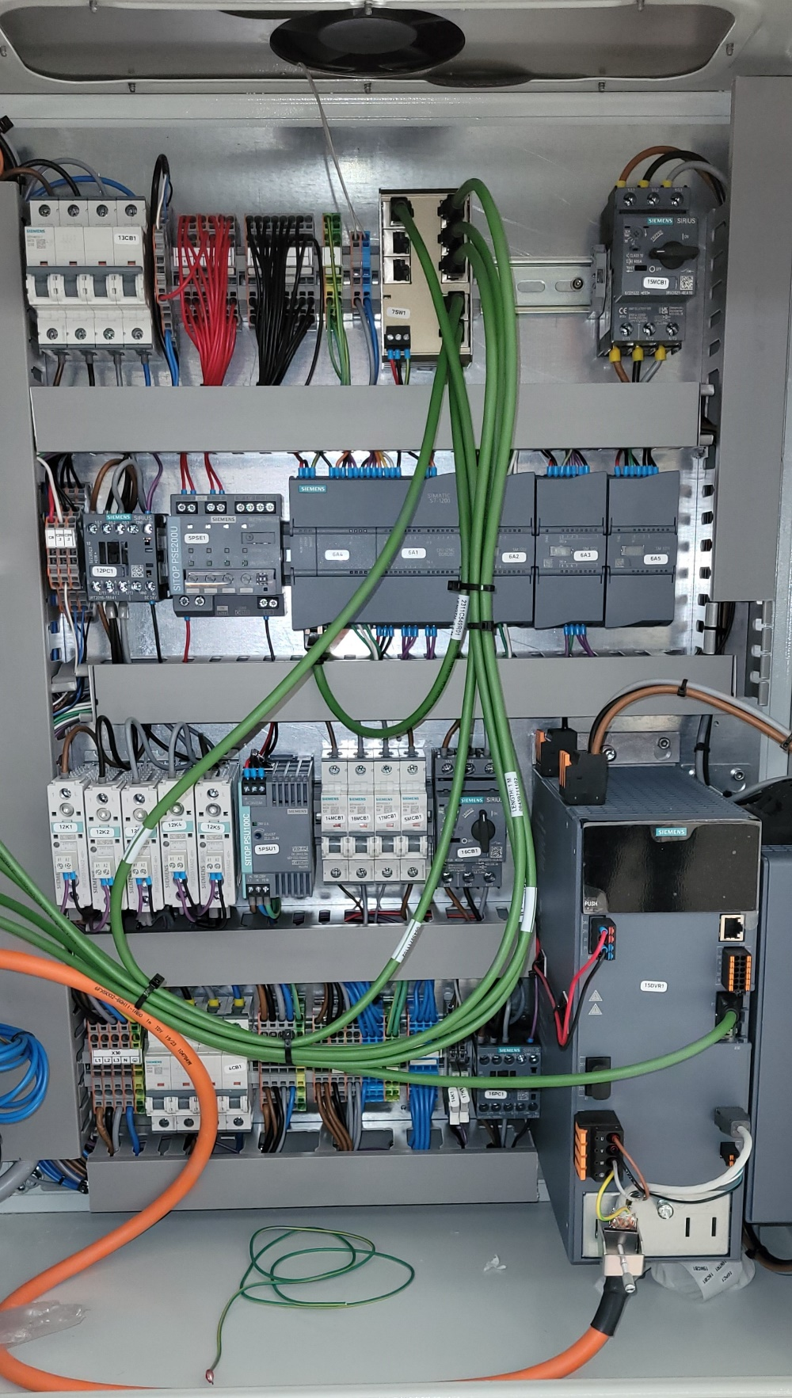
13CB1 | X9 | X33 | X34 | GND | X35 | 7SW1 | 7COUPL1 (OPT.) | 15MCB1
742-4138 Din rail 430mm | Top din rail order from left to right | Bridge | Bridge | Mark
249-116 | Wago dinrail eindstop
5SY4510-7 | hoofd zekering hele kast |  |  | 13CB1
249-116 | Wago dinrail eindstop
2002-2201 | Wago term. grijs | 2 etage, 6 draads klem | 2.5mm2 |  |  | X9
249-116 | Wago dinrail eindstop
2002-1401 | Wago term. grijs | 1 etage, 4 draads klem | 2.5mm2 | 2002-402 (2P) |  | X33.1
2002-1401 | Wago term. grijs | 1 etage, 4 draads klem | 2.5mm2 |  |  | X33.2
2002-1401 | Wago term. grijs | 1 etage, 4 draads klem | 2.5mm2 |  |  | X33.3
2002-1401 | Wago term. grijs | 1 etage, 4 draads klem | 2.5mm2 |  |  | X33.4
2002-1401 | Wago term. grijs | 1 etage, 4 draads klem | 2.5mm2 | 2002-402 (2P) |  | X33.5
C8 | C20.1 | C20.2 | 12PC1 | 5PSE1 | 6A1+6A4 | 6A2 | 6A3 | 6A5
2002-1401 | Wago term. grijs | 1 etage, 4 draads klem | 2.5mm2 |  |  | X33.6
249-116 | Wago dinrail eindstop
2002-1401 | Wago term. grijs | 1 etage, 4 draads klem | 2.5mm2 | 2002-402 (4P) |  | X34.1
2002-1401 | Wago term. grijs | 1 etage, 4 draads klem | 2.5mm2 |  |  | X34.2
2002-1401 | Wago term. grijs | 1 etage, 4 draads klem | 2.5mm2 |  |  | X34.3
2002-1401 | Wago term. grijs | 1 etage, 4 draads klem | 2.5mm2 |  | 2002-402 (4P) | X34.4
2002-1401 | Wago term. grijs | 1 etage, 4 draads klem | 2.5mm2 |  |  | X34.5
2002-1401 | Wago term. grijs | 1 etage, 4 draads klem | 2.5mm2 |  |  | X34.6
12K1 | 12K2 | 12K3 | 12K4 | 12K5 | 5PSU1 | 14MCB1 |
2002-1401 | Wago term. grijs | 1 etage, 4 draads klem | 2.5mm2 |  |  | X34.7
18MCB1 | 17MCB1 | 5MCB1 | 16CB1
249-116 | Wago dinrail eindstop
2002-1407 | Wago term. aarde | 1 etage, 4 draads klem | 2.5mm2 |  |  | GND
2002-1407 | Wago term. aarde | 1 etage, 4 draads klem | 2.5mm2 |  |  | GND
249-116 | Wago dinrail eindstop
2002-1201 | Wago term. grijs | 1 etage, 2 draads klem | 2.5mm2 |  |  | X35
15DRV1 + 15EMC1
2002-1204 | Wago term. blue | 1 etage, 2 draads klem | 2.5mm2 |  |  | X35
249-116 | Wago dinrail eindstop |  |  |  | +
111600 | TERZ Ethernet Switch 8p NITE-RF8-1100 |  |  | 7SW1
3RV2011-1CA10 |  |  |  | 15MCB1
X30 | 4CB1 | X30.2 | X31 | X13 | 14K1 | 17K1 | 16PC1

742-4138 Din rail 430mm | 2nd din rail order from left to right | Bridge | Bridge | Mark
249-116 | Wago dinrail eindstop
2002-2201 | Wago term. grijs | 2 etage, 6 draads klem | 2.5mm2 |  |  | C8
2002-2201 | Wago term. grijs | 2 etage, 6 draads klem | 2.5mm2 |  |  | C20.1
2002-2201 | Wago term. grijs | 2 etage, 6 draads klem | 2.5mm2 |  |  | C20.2
249-116 | Wago dinrail eindstop
3RT2016-1BB41 | Power contactor 4Kw transport pomp |  |  | 12PC1
249-116 | Wago dinrail eindstop
6EP1961-2BA31 | SITOP PSE200U 3A 4-channel input: DC 24 V/12A |  |  | 5PSE1
SIMATIC S7-1200, | CPU 1214C, compact CPU, DC/DC/DC |  |  | 6A1
SIMATIC S7-1200 | ANALOG INPUT, SM 1231 TC, 4 AI THERMOCOUPLE |  |  | 6A2
SIMATIC S7-1200 | DIGITAL OUTPUT SM 1222, 8 DO, |  |  | 6A3
SIMATIC S7-1200 | SB1231RTD module on the CPU |  |  | 6A4
 | ANALOG INPUT, SM 1231 TC, 4 AI THERMOCOUPLE |  |  | 6A5
249-116 | Wago dinrail eindstop

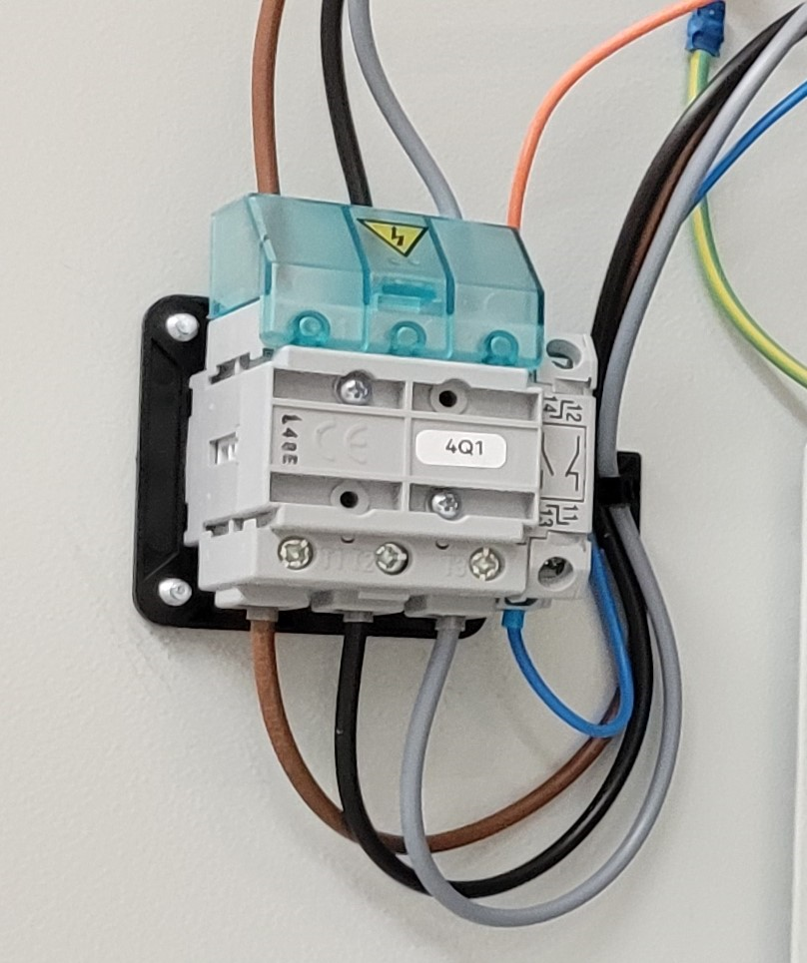
742-4138 Din rail 250mm | 3rd din rail order from left to right | Bridge | Bridge | Mark
249-116 | Wago dinrail eindstop
3RF2330-1AA02 | Contactor 1 fase 3RF2 AC 51 / 30 A Zone 1 |  |  | 12K1
3RF2330-1AA02 | Contactor 1 fase 3RF2 AC 51 / 30 A Zone 2 |  |  | 12K2
3RF2330-1AA02 | Contactor 1 fase 3RF2 AC 51 / 30 A Zone 3 |  |  | 12K3
4Q1 | 4Q1.2
3RF2330-1AA02 | Contactor 1 fase 3RF2 AC 51 / 30 A Zone Nozzle |  |  | 12K4
 | Contactor 1 fase 3RF2 AC 51 / 30 A Zone Gear pump |  |  | 12K5
6EP1332-5BA00 | SITOP PSE100U |  |  | 5PSU1
249-116 | Wago dinrail eindstop
5SY4102-7 | Fuse for vibration motor |  |  | 14MCB1
5SY4102-7 | Fuse for the cabinet cooling fan |  |  | 18MCB1
15DVR1
5SY4103-7 | Fuse for waterpump and intercoolerfans |  |  | 17MCB1
5SY4106-7 | Fuse for DC converter |  |  | 5MCB1
249-116 | Wago dinrail eindstop
3RV2011-1CA10 |  |  |  | 16CB1
249-116 | Wago dinrail eindstop

742-4138 Din rail 250mm | 4th din rail order from left to right | Bridge | Bridge | Mark
249-116 | Wago dinrail eindstop
2004-1401 | Wago term. grijs | 1 etage, 4 draads klem | 2.5mm2 |  |  | X30.L1
2004-1401 | Wago term. grijs | 1 etage, 4 draads klem | 2.5mm2 |  |  | X30.L2
2004-1401 | Wago term. grijs | 1 etage, 4 draads klem | 2.5mm2 |  |  | X30.L3
2004-1403 | Wago term. blauw | 1 etage, 4 draads klem | 2.5mm2 |  |  | X30.N
2004-1407 | Wago term. aarde | 1 etage, 4 draads klem | 2.5mm2 |  |  | X30.PE
249-116 | Wago dinrail eindstop
5SY4416-7 |  |  |  | 4CB1
249-116 | Wago dinrail eindstop
2004-1401 | Wago term. grijs | 1 etage, 4 draads klem | 2.5mm2 |  |  | X30.L1
2004-1401 | Wago term. grijs | 1 etage, 4 draads klem | 2.5mm2 |  |  | X30.L2
2004-1401 | Wago term. grijs | 1 etage, 4 draads klem | 2.5mm2 |  |  | X30.L3
2004-1403 | Wago term. blauw | 1 etage, 4 draads klem | 2.5mm2 |  |  | X30.N
249-116 | Wago dinrail eindstop
2002-1401 | Wago term. grijs | 1 etage, 4 draads klem | 2.5mm2 | 2002-402 (2P) |  | X31.1
2002-1401 | Wago term. grijs | 1 etage, 4 draads klem | 2.5mm2 |  |  | X31.2
2002-1401 | Wago term. grijs | 1 etage, 4 draads klem | 2.5mm2 |  | 2002-402 (2P) | X31.3
2002-1401 | Wago term. grijs | 1 etage, 4 draads klem | 2.5mm2 |  |  | X31.4
2002-1401 | Wago term. grijs | 1 etage, 4 draads klem | 2.5mm2 | 2002-402 (2P) |  | X31.5
2002-1401 | Wago term. grijs | 1 etage, 4 draads klem | 2.5mm2 |  |  | X31.6
2002-1403 | Wago term. blauw | 1 etage, 4 draads klem | 2.5mm2 |  | 2002-402 (3P) | X31.7
2002-1403 | Wago term. blauw | 1 etage, 4 draads klem | 2.5mm2 |  |  | X31.8
2002-1403 | Wago term. blauw | 1 etage, 4 draads klem | 2.5mm2 |  |  | X31.9
2002-1407 | Wago term. aarde | 1 etage, 4 draads klem | 2.5mm2 |  |  | X31.10
2002-1407 | Wago term. aarde | 1 etage, 4 draads klem | 2.5mm2 |  |  | X31.11
249-116 | Wago dinrail eindstop
2002-1204 | Wago term. blue | 1 etage, 2 draads klem | 2.5mm2 | 2002-402 (4P) |  | X13.N
2002-1204 | Wago term. blue | 1 etage, 2 draads klem | 2.5mm2 |  |  | X13.N
2002-1204 | Wago term. blue | 1 etage, 2 draads klem | 2.5mm2 |  |  | X13.N
2002-1204 | Wago term. blue | 1 etage, 2 draads klem | 2.5mm2 |  |  | X13.N
249-116 | Wago dinrail eindstop
111-3042 | Single phase relais vibra motor |  |  | 14K1
111-3042 | Single phase relais water pump |  |  | 17K1
249-116 | Wago dinrail eindstop
249-116 | Wago dinrail eindstop
3RT2015-1BB42 |  |  |  | 16PC1
249-116 | Wago dinrail eindstop
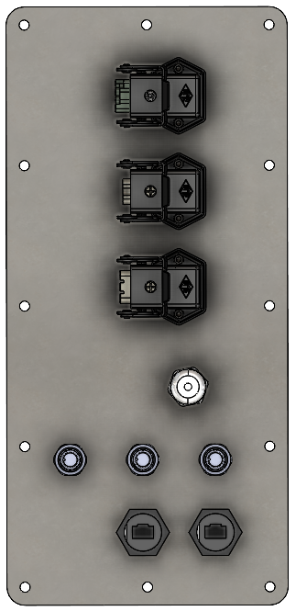
19C1
17C1
16C1
8C1
20C1
20C2
7CON4
7CON5
9EB1

?? | Special din rail for servo drive | Bridge | Bridge | Mark
6SL3210-5HE15-OUF0 | Siemens S210 |  |  | 15DRV1
- | EMC filter |  |  | 15EMC1

Side panel 1 | P07-76925
CQF12 + CK 03 IAN | female 12 pin connector + haakse behuizing |  |  | 19C1
CQF03 + CK 03 IAN | female 3 pin connector + haakse behuizing |  |  | 17C1
CQF05 + CK 03 IAN | female 5 pin connector + haakse behuizing |  |  | 16C1
52015720 | PG11 wartel for emergency stop |  |  | 9EB1
E73009 | m12 panel mount stekker |  |  | 8C1
E12408 | m12 panel mount stekker |  |  | 20C1
E12408 | m12 panel mount stekker |  |  | 20C2
798-0704 | ethernet panel mount |  |  | 7CON4
798-0704 | ethernet panel mount |  |  | 7CON5

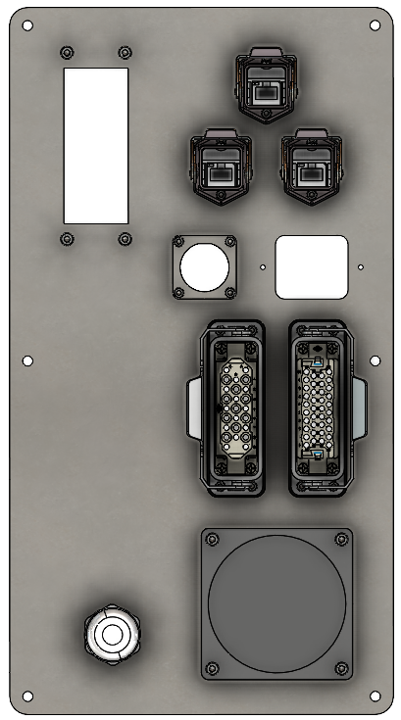
7CON1
7CON2
7CON3
10CON1
21C3
21C1
21C2
4C1
Side panel 2 | P07-14762
52115750 | PG21 wartel for incoming power cable |  |  | 4C1
ILME CDF 25 | 25 pin female connector for main power |  |  | 21C1
ILME CDDF 38 | 38 pin female connector for main signals |  |  | 21C2
CQF 3 | Servo power cable |  |  | 21C3
RJ45 panel mount #1 | Profibus panel mount |  |  | 7CON1
RJ45 panel mount #2 | Free? |  |  | 7CON2
RJ45 panel mount #3 | Free? |  |  | 7CON3
IE100189 + IE100195 | 16 pin female on panel + 16 pin male in contra stekker |  |  | 10CON1

Cabinet externals | P07-78943
285-507 | 24V DC cooling fan #1 (top side of the cabinet) |  |  | 18FAN1
SK 3237.200 | Ventilation rooster |  |  | n/a
3LD2203-0TK51 | Main power switch 32A |  |  | 4Q1
3LD9200-5B | Aux switch, contact |  |  | 4Q1.2

Cabinet servo and signal cables
6FX8002-5CN06-1AB0 | servo power cable from drive to sidepanel X731
6FX8002-2DC00-1AB0 | Servo encoder cable from drive to sidepanel X730

Cable list
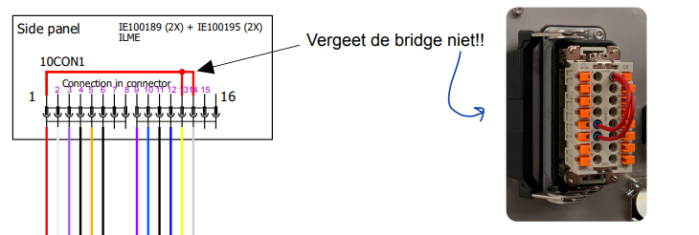
 | F25 extruder FOB unit with S7-1200 PLCs
ass nr | From Part | from Mark | From terminal | color | mm2 | to part | to mark | to terminal | Function | additional info | length | end 1 | end 2
1 | 2004-1401 | X30 | 1.1 | brown | 6 | Main switch in panel door | 4Q1 | L1 | Main power to main switch |  | tbd | f | f
2 | 2004-1401 | X30 | 2.1 | black | 6 | Main switch in panel door | 4Q1 | L2 | Main power to main switch |  | tbd | f | f
3 | 2004-1401 | X30 | 3.1 | grey | 6 | Main switch in panel door | 4Q1 | L3 | Main power to main switch |  | tbd | f | f
4 | 2004-1403 | X30 | 4.1 | blue | 6 | 32A Circuit breaker | 4CB1 | 7 | Neutral from main switch to circuit breaker |  | tbd | f | f
5 | 2004-1407 | X30 | 5.1 | ylw/grn | 6 | 2002-1407 | X31 | GND | Ground in terminal to ground the cabinet |  | tbd | f | f
6 | Main switch in panel door | 4Q1 | T1 | brown | 6 | 32A Circuit breaker | 4CB1 | 1 | Power from main switch to circuit breaker |  | tbd | f | f
7 | Main switch in panel door | 4Q1 | T2 | black | 6 | 32A Circuit breaker | 4CB1 | 3 | Power from main switch to circuit breaker |  | tbd | f | f
8 | Main switch in panel door | 4Q1 | T3 | grey | 6 | 32A Circuit breaker | 4CB1 | 5 | Power from main switch to circuit breaker |  | tbd | f | f
9 | 32A Circuit breaker | 4CB1 | 2 | brown | 6 | 2004-1401 | X35 | 1.1 | Power from circuit breaker to splitting terminal |  | tbd | f | f
10 | 32A Circuit breaker | 4CB1 | 4 | black | 6 | 2004-1401 | X35 | 2.1 | Power from circuit breaker to splitting terminal |  | tbd | f | f
11 | 32A Circuit breaker | 4CB1 | 6 | grey | 6 | 2004-1401 | X35 | 3.1 | Power from circuit breaker to splitting terminal |  | tbd | f | f
12 | 32A Circuit breaker | 4CB1 | 8 | blue | 6 | 2004-1403 | X35 | 4.1 | Neutral from circuit breaker to splitting terminal |  | tbd | f | f
13 | 2004-1401 | X35 | 1.4 | brown | 6 | 2002-1401 | X31 | 1.1 | Power from splitting terminal to distribution terminal |  | tbd | f | f
14 | 2004-1401 | X35 | 2.4 | black | 6 | 2002-1401 | X31 | 3.1 | Power from splitting terminal to distribution terminal |  | tbd | f | f
15 | 2004-1401 | X35 | 3.4 | grey | 6 | 2002-1401 | X31 | 5.1 | Power from splitting terminal to distribution terminal |  | tbd | f | f
16 | 2004-1403 | X35 | 4.4 | blue | 6 | 2002-1403 | X31 | 7.1 | Neutral from splitting terminal to distribution terminal |  | tbd | f | f
17 | 2004-1401 | X31 | L1 | brown | 2.5 | 5SY4106-7 | 5MCB1 | 1 | Fuse for DC converter |  | tbd | f | f
18 | 5SY4106-7 | 5MCB1 | 2 | brown | 2.5 | SITOP PSE100C | 5PSU1 | L | Fuse for DC converter |  | tbd | f | f
19 | 2004-1403 | X31 | N | blue | 2.5 | SITOP PSE100C | 5PSU1 | N | Neutral for DC converter |  | tbd | f | f
20 | 2004-1407 | X31 | PE | ylw/grn | 2.5 | SITOP PSE100C | 5PSU1 | PE | Ground for DC converter |  | tbd | f | f
21 | SITOP PSE100C | 5PSU1 | + | red | 0.75 | SITOP PSE200U | 5PSE1 | 24V | AC power converter to DC 24V |  | tbd | f | f
22 | SITOP PSE100C | 5PSU1 | - | black | 0.75 | SITOP PSE200U | 5PSE1 | 0V | 0V for SITOP PSE200U |  | tbd | f | f
23 | SITOP PSE100C | 5PSU1 | - | black | 0.75 | 2002-1401 | X34 | 1.1 | AC power converter to DC 0V |  | tbd | f | f
24 | 2002-1401 | X31 | L1 | brown | 2.5 | 5SY4610-7 | 13CB1 | 1 | Fuse for heatzones |  | tbd | f | f
25 | 2002-1401 | X31 | L2 | black | 2.5 | 5SY4610-7 | 13CB1 | 3 | Fuse for heatzones |  | tbd | f | f
26 | 2002-1401 | X31 | L3 | grey | 2.5 | 5SY4610-7 | 13CB1 | 5 | Fuse for heatzones |  | tbd | f | f
27 | 2002-1403 | X31 | N | blue | 2.5 | 5SY4610-7 | 13CB1 | 7 | Fuse for heatzones |  | tbd | f | f
28 | 5SY4610-7 | 13CB1 | 2 | brown | 2.5 | 3RT2016-1BB41 | 12PC1 | 1 | Contactor for heatzones |  | tbd | f | f
29 | 5SY4610-7 | 13CB1 | 4 | black | 2.5 | 3RT2016-1BB41 | 12PC1 | 3 | Contactor for heatzones |  | tbd | f | f
30 | 5SY4610-7 | 13CB1 | 6 | grey | 2.5 | 3RT2016-1BB41 | 12PC1 | 5 | Contactor for heatzones |  | tbd | f | f
31 | 5SY4610-7 | 13CB1 | 8 | blue | 2.5 | 2002-1403 | X13 | N | Neutral for heatzones |  | tbd | f | f
32 | 3RT2016-1BB41 | 12PC1 | 2 | brown | 2.5 | Contactor heatzone 1 | 12K1 | 1L | Contactor for heatzone 1 |  | tbd | f | f
33 | 3RT2016-1BB41 | 12PC1 | 4 | black | 2.5 | Contactor heatzone 2 | 12K2 | 1L | Contactor for heatzone 2 |  | tbd | f | f
34 | 3RT2016-1BB41 | 12PC1 | 4 | black | 2.5 | Contactor heatzone meltpump | 12K5 | 1L | Contactor for heatzone meltpump |  | tbd | f | f
35 | 3RT2016-1BB41 | 12PC1 | 6 | grey | 2.5 | Contactor heatzone 3 | 12K3 | 1L | Contactor for heatzone 3 |  | tbd | f | f
36 | 3RT2016-1BB41 | 12PC1 | 6 | grey | 2.5 | Contactor heatzone nozzle | 12K4 | 1L | Contactor for heatzone nozzle |  | tbd | f | f
37 | 2002-1401 | X31 | L1 | brown | 2.5 | 5SY4106-7 | 14MCB1 | 1 | Fuse for vibration motor |  | tbd | f | f
38 | 2002-1401 | X35 | 1.2 | brown | 2.5 | Contactor servo drive | 15MCB1 | 1 | Contactor for servo motor drive |  | tbd | f | f
39 | 2002-1401 | X35 | 2.2 | black | 2.5 | Contactor servo drive | 15MCB1 | 3 | Contactor for servo motor drive |  | tbd | f | f
40 | 2002-1401 | X35 | 3.2 | grey | 2.5 | Contactor servo drive | 15MCB1 | 5 | Contactor for servo motor drive |  | tbd | f | f
41 | Contactor servo drive | 15MCB1 | 1 | brown | 2.5 | EMC filter | 15EMC1 | L1 | EMC filter for the servo motor drive |  | tbd | f | f
42 | Contactor servo drive | 15MCB1 | 3 | black | 2.5 | EMC filter | 15EMC1 | L2 | EMC filter for the servo motor drive |  | tbd | f | f
43 | Contactor servo drive | 15MCB1 | 5 | grey | 2.5 | EMC filter | 15EMC1 | L3 | EMC filter for the servo motor drive |  | tbd | f | f
44 | 2002-1401 | X31 | L1 | brown | 2.5 | 3RV2011-1CA10 | 16CB1 | 1 | Servo motor protector | In Elec. Sch. 16PCON2 | tbd | f | f
45 | 2002-1401 | X31 | L2 | black | 2.5 | 3RV2011-1CA10 | 16CB1 | 3 | Servo motor protector | In Elec. Sch. 16PCON2 | tbd | f | f
46 | 2002-1401 | X31 | L3 | grey | 2.5 | 3RV2011-1CA10 | 16CB1 | 5 | Servo motor protector | In Elec. Sch. 16PCON2 | tbd | f | f
47 | 3RV2011-1CA10 | 16CB1 | 2 | brown | 2.5 | 3RT2015-1BB42 | 16PC1 | 1 | Servo motor protector |  | tbd | f | f
48 | 3RV2011-1CA10 | 16CB1 | 4 | black | 2.5 | 3RT2015-1BB42 | 16PC1 | 3 | Servo motor protector |  | tbd | f | f
49 | 3RV2011-1CA10 | 16CB1 | 6 | grey | 2.5 | 3RT2015-1BB42 | 16PC1 | 5 | Servo motor protector |  | tbd | f | f
50 | 5SY4106-7 | 14MCB1 | 2 | brown | 2.5 | Relais vibration motor | 14K1 | 11 | Relais for vibration motor |  | tbd | f | f
51 | 2004-1401 | X31 | L3 | grey | 2.5 | 5SY4103-7 | 17MCB1 | 1 | Fuse for waterpump and intercoolerfans |  | tbd | f | f
52 | 2004-1401 | X31 | L3 | grey | 2.5 | 5SY4103-7 | 18MCB1 | 1 | Fuse for the cabinet cooling fan |  | tbd | f | f
53 | 5SY4103-7 | 17MCB1 | 2 | grey | 0.75 | Relais pump and fans | 17K1 | 11 | Relais for the waterpump and intercoolerfans |  | tbd | f | f
54 | 5SY4103-7 | 18MCB1 | 2 | grey | 2.5 | 2002-1201 | X35 | 1.2 | Terminal to cabinet cooling fan |  | tbd | f | f
55 | 2004-1403 | X31 | N | blue | 2.5 | 2002-1201 | X35 | 2.2 | Terminal to cabinet cooling fan |  | tbd | f | f
56 | 2002-1201 | X35 | 1.1 | n/a | 0.75 | Cabinet cooling fan | n/a | n/a | Cabinet cooling fan connection |  | tbd | f | n/a
57 | 2002-1201 | X35 | 2.1 | n/a | 0.75 | Cabinet cooling fan | n/a | n/a | Cabinet cooling fan connection |  | tbd | f | n/a
58 | SITOP PSE200U | 5PSE1 | 1 | red | 0.75 | 2002-1401 | X33 | 1.1 | 24V group 1 |  | tbd | f | f
59 | SITOP PSE200U | 5PSE1 | 2 | red | 0.75 | 2002-1401 | X33 | 3.1 | 24V group 2 |  | tbd | f | f
60 | SITOP PSE200U | 5PSE1 | 3 | red | 0.75 | 2002-1401 | X33 | 4.1 | 24V group 3 |  | tbd | f | f
61 | SITOP PSE200U | 5PSE1 | 4 | red | 0.75 | 2002-1401 | X33 | 5.1 | 24V group 4 |  | tbd | f | f
62 | 6ES7214-1AG40-0XB0 | 6A1 | L+ | red | 0.75 | 2002-1401 | X33 | 1.2 | CPU V+ |  | tbd | f | f
63 | 6ES7214-1AG40-0XB0 | 6A1 | 3L+ | red | 0.75 | 2002-1401 | X33 | 1.3 | CPU additional V+ |  | tbd | f | f
64 | 6ES7214-1AG40-0XB0 | 6A1 | M | black | 0.75 | 2002-1401 | X34 | 1.2 | CPU V- |  | tbd | f | f
65 | 6ES7214-1AG40-0XB0 | 6A1 | 3M | black | 0.75 | 2002-1401 | X34 | 1.4 | CPU V- |  | tbd | f | f
66 | 6ES7214-1AG40-0XB0 | 6A1 | 1M | black | 0.75 | 2002-1401 | X34 | 1.3 | CPU V- |  | tbd | f | f
67 | 6ES7214-1AG40-0XB0 | 6A1 | 2M | black | 0.75 | 2002-1401 | X34 | 2.2 | CPU V- |  | tbd | f | f
68 | 6ES7214-1AG40-0XB0 | 6A1 | PE | ylw/grn | 0.75 | 2002-1401 | GND | 1.4 | CPU ground |  | tbd | f | f
69 | 6ES7231-5QD32-0XB0 | 6A2 | L+ | red | 0.75 | 2002-1401 | X33 | 1.4 | CPU TC module V+ |  | tbd | f | f
70 | 6ES7231-5QD32-0XB0 | 6A2 | M | black | 0.75 | 2002-1401 | X34 | 2.4 | CPU TC module V- |  | tbd | f | f
71 | 6ES7231-5QD32-0XB0 | 6A2 | PE | ylw/grn | 0.75 | 2002-1401 | GND | 1.2 | CPU TC module ground |  | tbd | f | f
72 | 6ES7222-1BF32-0XB0 | 6A3 | L+ | red | 0.75 | 2002-1401 | X33 | 2.1 | CPU DO module V+ |  | tbd | f | f
73 | 6ES7222-1BF32-0XB0 | 6A3 | M | black | 0.75 | 2002-1401 | X34 | 2.3 | CPU DO module V- |  | tbd | f | f
74 | 6ES7222-1BF32-0XB0 | 6A3 | PE | ylw/grn | 0.75 | 2002-1401 | GND | 2.4 | CPU DO module ground |  | tbd | f | f
75 | 6ES7231-5QD32-0XB0 | 6A5 | L+ | red | 0.75 | 2002-1401 | X33 | 2.2 | CPU DO module V+ |  | tbd | f | f
76 | 6ES7231-5QD32-0XB0 | 6A5 | M | black | 0.75 | 2002-1401 | X34 | 2.1 | CPU DO module V- |  | tbd | f | f
77 | 6ES7231-5QD32-0XB0 | 6A5 | PE | ylw/grn | 0.75 | 2002-1401 | GND | 2.4 | CPU DO module ground |  | tbd | f | f
78 | NITE-RF8-1100 | 7SW1 | 24V | red | 0.75 | 2002-1401 | X33 | 4.2 | Ethernet switch V+ |  | tbd | f | f
79 | NITE-RF8-1100 | 7SW1 | 0V | black | 0.75 | 2002-1401 | X34 | 3.2 | Ethernet switch V- |  | tbd | f | f
80 | NITE-RF8-1100 | 7SW1 | PE | ylw/grn | 0.75 | 2002-1401 | GND | 2.2 | Ethernet switch ground |  | tbd | f | f
81 | PN/PN Coupler OPT. | 7COUPL1 | 24V | red | 0.75 | 2002-1401 | X33 | add to 4.2 | Optional PN/PN coupler | optional component | tbd | f | f
82 | PN/PN Coupler OPT. | 7COUPL1 | 0V | black | 0.75 | 2002-1401 | X34 | 3.4 | Optional PN/PN coupler | optional component | tbd | f | f
83 | IFM E70156 | 8C1 | 1 | brown | 0.75 | 2002-1401 | X33 | 5.2 | Gran. sensor BU 24V | Seems to be going to C8/C20.2 | tbd | f | f
84 | IFM E70156 | 8C1 | 2 | white | 0.75 | free |  |  |  |  | tbd | n/a | n/a
85 | IFM E70156 | 8C1 | 3 | blue | 0.75 | 2002-1401 | X34 | 3.3 | Gran. sensor BU 0V | Seems to be going to C8/C20.2 | tbd | f | f
86 | IFM E70156 | 8C1 | 4 | black | 0.75 | 6ES7214-1AG40-0XB0 | 6A1 | DI a.4 | Gran. sensor BU signal |  | tbd | f | f
87 | 6SL3210-5FB10-8UF0 | 15DRV1 | 24V+ | red | 0.75 | 2002-1401 | X33 | 5.4 | Servo motor driver V+ |  | tbd | f | f
88 | 6SL3210-5FB10-8UF0 | 15DRV1 | M | black | 0.75 | 2002-1401 | X34 | 3.1 | Servo motor driver V- |  | tbd | f | f
89 | 6SL3210-5FB10-8UF0 | 15DRV1 | L1 | brown | 2.5 | Contactor servo driver | 15MCB1 | T1 | Servo motor driver L1 |  | tbd | f | f
90 | 6SL3210-5FB10-8UF0 | 15DRV1 | L2 | black | 2.5 | Contactor servo driver | 15MCB1 | T2 | Servo motor driver L2 |  | tbd | f | f
91 | 6SL3210-5FB10-8UF0 | 15DRV1 | L3 | grey | 2.5 | Contactor servo driver | 15MCB1 | T3 | Servo motor driver L3 |  | tbd | f | f
92 | 6SL3210-5FB10-8UF0 | 15DRV1 | U | orange | 0.75 | 6FX8002-8QN11-1AB0 | 21C3 | U | Servo power en encoder cable |  | tbd | f | ilme
93 | 6SL3210-5FB10-8UF0 | 15DRV1 | V | orange | 0.75 | 6FX8002-8QN11-1AB0 | 21C3 | V | Servo power en encoder cable |  | tbd | f | ilme
94 | 6SL3210-5FB10-8UF0 | 15DRV1 | W | orange | 0.75 | 6FX8002-8QN11-1AB0 | 21C3 | W | Servo power en encoder cable |  | tbd | f | ilme
95 | 6SL3210-5FB10-8UF0 | 15DRV1 | PE | ylw/grn | 0.75 | 6FX8002-8QN11-1AB0 | 21C3 | PE | Servo power en encoder cable |  | tbd | f | f
96 | 6SL3210-5FB10-8UF0 | 15DRV1 | BR- | orange | 0.75 | 6FX8002-8QN11-1AB0 | 21C3 | BR- | Servo power en encoder cable |  | tbd | f | f
97 | 6SL3210-5FB10-8UF0 | 15DRV1 | BR+ | orange | 0.75 | 6FX8002-8QN11-1AB0 | 21C3 | BR+ | Servo power en encoder cable |  | tbd | f | f
98 | 6SL3210-5FB10-8UF0 | 15DRV1 | X100 | orange | 0.75 | 6FX8002-8QN11-1AB0 | 21C3 | X100 | Servo power en encoder cable | 15C1 in elek sch. | tbd | f | f
99 | 3RT2015-1BB42 | 16PC1 | 2 | brown | 2.5 | ILME CQF05 | 16C1 | pin 1 | Transport pump L1 |  | tbd | f | ilme
100 | 3RT2015-1BB42 | 16PC1 | 4 | black | 2.5 | ILME CQF05 | 16C1 | pin 2 | Transport pump L2 |  | tbd | f | ilme
101 | 3RT2015-1BB42 | 16PC1 | 6 | grey | 2.5 | ILME CQF05 | 16C1 | pin 3 | Transport pump L3 |  | tbd | f | ilme
102 | free |  |  | n/a | n/a | ILME CQF05 | 16C1 | pin 4 |  |  | tbd | n/a | n/a
103 | free |  |  | n/a | n/a | ILME CQF05 | 16C1 | pin 5 |  |  | tbd | n/a | n/a
104 | 2002-1407 | X31 | PE | ylw/grn | 2.5 | ILME CQF05 | 16C1 | PE | Transport pump neutral |  | tbd | f | f
105 | Relais pump and fans | 17K1 | 14 | grey | 0.75 | ILME CKF03 | 17C1 | pin 1 | Pump and fans L3 |  | tbd | f | ilme
106 | 2002-1403 | X31 | N | blue | 2.5 | ILME CKF03 | 17C1 | pin 2 | Pump and fans neutral |  | tbd | f | ilme
107 | 2002-1407 | X31 | PE | ylw/grn | 2.5 | ILME CKF03 | 17C1 | pin 3 | Pump and fans ground |  | tbd | f | ilme
108 | 6ES7231-5QD32-0XB0 | 6A3 | DQ a.4 | purple | 0.75 | ILME CQF12 | 19C1 | pin 1 | Buzzer |  | tbd | f | ilme
109 | 2002-1401 | X34 | 4.2 | black | 0.75 | ILME CQF12 | 19C1 | pin 2 | Buzzer |  | tbd | f | ilme
110 | 2002-1401 | X31 | L2 | black | 0.75 | ILME CQF12 | 19C1 | pin 3 | Blue inidicator light |  | tbd | f | ilme
111 | 2002-1403 | X31 | N | blue | 0.75 | ILME CQF12 | 19C1 | pin 4 | Blue inidicator light |  | tbd | f | ilme
112 | 2002-1401 | X33 | 4.3 | red | 0.75 | ILME CQF12 | 19C1 | pin 5 | HMI V+ |  | tbd | f | ilme
113 | 2002-1401 | X34 | 4.4 | black | 0.75 | ILME CQF12 | 19C1 | pin 6 | HMI V- |  | tbd | f | ilme
114 | 2002-1407 | X31 | PE | ylw/grn | 0.75 | ILME CQF12 | 19C1 | pin 7 | HMI ground |  | tbd | f | ilme
115 | 2002-1401 | X33 | 4.4 | red | 0.75 | ILME CQF12 | 19C1 | pin 8 | Reset button |  | tbd | f | ilme
116 | 6ES7214-1AG40-0XB0 | 6A1 | DI a.7 | orange | 0.75 | ILME CQF12 | 19C1 | pin 9 | Reset button |  | tbd | f | ilme
117 | 6ES7214-1AG40-0XB0 | 6A1 | DQ a.7 | purple | 0.75 | ILME CQF12 | 19C1 | pin 10 | Reset button light |  | tbd | f | ilme
118 | 2002-1401 | X34 | 4.3 | black | 0.75 | ILME CQF12 | 19C1 | pin 11 | Reset button light |  | tbd | f | ilme
119 | free |  |  | n/a | n/a | ILME CQF12 | 19C1 | pin 12 |  |  | tbd | n/a | n/a
120 | free |  |  | n/a | n/a | IFM E73009, EVC004 female | 20C1 | 1 |  |  | tbd | n/a | n/a
121 | 2002-2201 | C20.1 | 6 | white | 0.75 | IFM E73009, EVC004 female | 20C1 | 2 | Terminal connection air valves |  | tbd | f | f
122 | 2002-2201 | C20.1 | 4 | blue | 0.75 | IFM E73009, EVC004 female | 20C1 | 3 | Terminal connection air valves |  | tbd | f | f
123 | 2002-2201 | C20.1 | 2 | black | 0.75 | IFM E73009, EVC004 female | 20C1 | 4 | Terminal connection air valves |  | tbd | f | f
124 | free |  |  | n/a | n/a | IFM E73009, EVC004 female | 20C2 | 1 |  |  | tbd | n/a | n/a
125 | free |  |  | n/a | n/a | IFM E73009, EVC004 female | 20C2 | 2 |  |  | tbd | n/a | n/a
126 | 2002-2201 | C20.2 | 4 | blue | 0.75 | IFM E73009, EVC004 female | 20C2 | 3 | Terminal connection transport valve |  | tbd | f | f
127 | 2002-2201 | C20.2 | 2 | black | 0.75 | IFM E73009, EVC004 female | 20C2 | 4 | Terminal connection transport valve |  | tbd | f | f
128 | IE100189+IE100195 (2x) | 10CON1 | 1 | red | 0.75 | 2002-1401 | X33 | 6.2 | 24V+ |  | tbd | f | f
129 | IE100189+IE100195 (2x) | 10CON1 | 2 | white | 0.75 | 2002-2201 | C20.1 | 5 | User airvalve |  | tbd | f | f
130 | IE100189+IE100195 (2x) | 10CON1 | 3 | purple | 0.75 | 6ES7214-1AG40-0XB0 | 6A1 | DI a.6 | Enable heating |  | tbd | f | f
131 | IE100189+IE100195 (2x) | 10CON1 | 4 | black | 0.75 | 2002-1401 | X34 | 4.1 | 0V |  | tbd | f | f
132 | IE100189+IE100195 (2x) | 10CON1 | 5 | orange | 0.75 | 6ES7214-1AG40-0XB0 | 6A1 | AI a.0 | Extruder setpoint |  | tbd | f | f
133 | IE100189+IE100195 (2x) | 10CON1 | 6 | black | 0.75 | 2002-1401 | X34 | 5.2 | 0V |  | tbd | f | f
134 | IE100189+IE100195 (2x) | 10CON1 | 7 | n/a | n/a | free |  |  |  |  | tbd | n/a | n/a
135 | IE100189+IE100195 (2x) | 10CON1 | 8 | n/a | n/a | free |  |  |  |  | tbd | n/a | n/a
136 | IE100189+IE100195 (2x) | 10CON1 | 9 | purple | 0.75 | 6ES7214-1AG40-0XB0 | 6A1 | DI a.5 | Enable extrusion |  | tbd | f | f
137 | IE100189+IE100195 (2x) | 10CON1 | 10 | blue | 0.75 | 6ES7231-5QD32-0XB0 | 6A3 | DQ a.5 | Extruder ready output |  | tbd | f | ilme
138 | IE100189+IE100195 (2x) | 10CON1 | 11 | black | 0.75 | 2002-2201 | X9 | 2 | Emergency stop signal |  | tbd | f | f
139 | IE100189+IE100195 (2x) | 10CON1 | 12 | blue | 0.75 | 2002-2201 | X9 | 4 | Internal emergency stop |  | tbd | f | ilme
140 | IE100189+IE100195 (2x) | 10CON1 | 13 | yellow | 0.75 | 6ES7214-1AG40-0XB0 | 6A1 | DI b.0 | External emergency stop 1 |  | tbd | f | f
141 | IE100189+IE100195 (2x) | 10CON1 | 14 | white | 0.75 | 6ES7214-1AG40-0XB0 | 6A1 | DI b.1 | External emergency stop 2 |  | tbd | f | f
142 | IE100189+IE100195 (2x) | 10CON1 | 15 | n/a | n/a | free |  |  |  |  | tbd | n/a | n/a
143 | IE100189+IE100195 (2x) | 10CON1 | 16 | n/a | n/a | free |  |  |  |  | tbd | n/a | n/a
144 | 2002-1401 | X33 | 3.2 | red | 1.5 | 2002-2201 | X9 | 6 | 24V to emergency button |  | tbd | f | f
145 | Emergency button | 9EB1 | 22 | black | 0.75 | 2002-2201 | X9 | 1 | Emergency button signal to main switch |  | tbd | f | f
146 | Emergency button | 9EB1 | 12 | blue | 0.75 | 2002-2201 | X9 | 3 | Emergency button signal |  | tbd | f | f
147 | Emergency button | 9EB1 | 11 | white | 0.75 | 2002-2201 | X9 | 5 | 24V to emergency button |  | tbd | f | f
148 | Emergency button | 9EB1 | 21 | brown | 0.75 | 2002-2201 | X9 | 5 | 24V to emergency button |  | tbd | f | f
149 | 2002-2201 | X9 | 4 | blue | 0.75 | Main switch in panel door | 4Q1.2 | 13 | Early break switch connection with EB |  | tbd | f | f
150 | 6ES7214-1AG40-0XB0 | 6A1 | DI a.0 | orange | 0.75 | Main switch in panel door | 4Q1.2 | 14 | Early break switch control |  | tbd | f | f
151 | 6ES7214-1AG40-0XB0 | 6A1 | DI a.1 | black | 0.75 | 2002-2201 | X9 | 2 |  |  | tbd | f | f
152 | 6ES7231-5QD32-0XB0 | 6A2 | AI.0 | green | 0.75 | ILME CDDF 38 | 21C2 | A1 | Heatzone 1 TC | HZ1 | tbd | f | ilme
153 | 6ES7231-5QD32-0XB0 | 6A2 | AI.0 | white | 0.75 | ILME CDDF 38 | 21C2 | A2 | Heatzone 1 TC | HZ1 | tbd | f | ilme
154 | 6ES7231-5QD32-0XB0 | 6A2 | AI.1 | green | 0.75 | ILME CDDF 38 | 21C2 | A3 | Heatzone 2 TC | HZ2 | tbd | f | ilme
155 | 6ES7231-5QD32-0XB0 | 6A2 | AI.1 | white | 0.75 | ILME CDDF 38 | 21C2 | A4 | Heatzone 2 TC | HZ2 | tbd | f | ilme
156 | 6ES7231-5QD32-0XB0 | 6A2 | AI.2 | green | 0.75 | ILME CDDF 38 | 21C2 | A5 | Heatzone 3 TC | HZ3 | tbd | f | ilme
157 | 6ES7231-5QD32-0XB0 | 6A2 | AI.2 | white | 0.75 | ILME CDDF 38 | 21C2 | A6 | Heatzone 3 TC | HZ3 | tbd | f | ilme
158 | 6ES7231-5QD32-0XB0 | 6A2 | AI.3 | green | 0.75 | ILME CDDF 38 | 21C2 | A7 | Heatzone 4 TC | Nozzle | tbd | f | ilme
159 | 6ES7231-5QD32-0XB0 | 6A2 | AI.3 | white | 0.75 | ILME CDDF 38 | 21C2 | A8 | Heatzone 4 TC | Nozzle | tbd | f | ilme
160 | 6ES7231-5QD32-0XB0 | 6A2 | AI.4 | green | 0.75 | ILME CDDF 38 | 21C2 | A9 | Heatzone 5 TC | Meltpump | tbd | f | ilme
161 | 6ES7231-5QD32-0XB0 | 6A2 | AI.4 | white | 0.75 | ILME CDDF 38 | 21C2 | A10 | Heatzone 5 TC | Meltpump | tbd | f | ilme
162 | 6ES7231-5QD32-0XB0 | 6A4 | AI.0 (M+) | red | 0.75 | ILME CDDF 38 | 21C2 | B1 | Cold junction PT100 |  | tbd | f | ilme
163 | SIMATIC S7-1200 - TC | 6A4 | AI.0 (M-) | white | 0.75 | ILME CDDF 38 | 21C2 | B2 | Cold junction PT100 |  | tbd | f | ilme
164 | SIMATIC S7-1200 - TC | 6A4 | AI.0 (T+) | red | 0.75 | ILME CDDF 38 | 21C2 | B3 | Cold junction PT100 |  | tbd | f | ilme
165 | SIMATIC S7-1200 - TC | 6A4 | AI.0 (T-) | white | 0.75 | ILME CDDF 38 | 21C2 | B4 | Cold junction PT100 |  | tbd | f | ilme
166 | free |  |  | n/a | n/a | ILME CDDF 38 | 21C2 | B5 |  |  | tbd | n/a | n/a
167 | free |  |  | n/a | n/a | ILME CDDF 38 | 21C2 | B6 |  |  | tbd | n/a | n/a
168 | free |  |  | n/a | n/a | ILME CDDF 38 | 21C2 | B7 |  |  | tbd | n/a | n/a
169 | free |  |  | n/a | n/a | ILME CDDF 38 | 21C2 | B8 |  |  | tbd | n/a | n/a
170 | free |  |  | n/a | n/a | ILME CDDF 38 | 21C2 | B9 |  |  | tbd | n/a | n/a
171 | SIMATIC S7-1200 - TC | 6A4 | AI.2 | purple | 0.75 | ILME CDDF 38 | 21C2 | C1 | Granule sensor top |  | tbd | f | ilme
172 | 2002-1401 | X33 | 6.3 | red | 0.75 | ILME CDDF 38 | 21C2 | C2 | Granule sensor top |  | tbd | f | ilme
173 | 2002-1401 | X34 | 4.3 | black | 0.75 | ILME CDDF 38 | 21C2 | C3 | Granule sensor top |  | tbd | f | ilme
174 | SIMATIC S7-1200 - TC | 6A4 | AI.3 | purple | 0.75 | ILME CDDF 38 | 21C2 | C4 | Granule sensor bottom |  | tbd | f | ilme
175 | 2002-1401 | X33 | 6.1 | red | 0.75 | ILME CDDF 38 | 21C2 | C5 | Granule sensor bottom |  | tbd | f | ilme
176 | 2002-1401 | X34 | 5.4 | black | 0.75 | ILME CDDF 38 | 21C2 | C6 | Granule sensor bottom |  | tbd | f | ilme
177 | free |  |  | n/a | n/a | ILME CDDF 38 | 21C2 | C7 |  |  | tbd | f | ilme
178 | free |  |  | n/a | n/a | ILME CDDF 38 | 21C2 | C8 |  |  | tbd | n/a | n/a
179 | free |  |  | n/a | n/a | ILME CDDF 38 | 21C2 | C9 |  |  | tbd | n/a | n/a
180 | free |  |  | n/a | n/a | ILME CDDF 38 | 21C2 | C10 |  |  | tbd | n/a | n/a
181 | 2002-1401 | X33 | 2.4 | red | 0.75 | ILME CDDF 38 | 21C2 | D1 | 24V connection signal 1 |  | tbd | f | ilme
182 | 6ES7214-1AG40-0XB0 | 6A1 | DI b.2 | black | 0.75 | ILME CDDF 38 | 21C2 | D2 | 24V connection signal 2 |  | tbd | f | ilme
183 | 2002-1401 | X33 | 5.3 | red | 0.75 | ILME CDDF 38 | 21C2 | D3 | Pressure sensor top |  | tbd | f | ilme
184 | 6ES7231-5QD32-0XB0 | 6A5 | + | black | 0.75 | ILME CDDF 38 | 21C2 | D4 | Pressure sensor top |  | tbd | f | ilme
185 | 2002-1401 | X33 | 6.4 | red | 0.75 | ILME CDDF 38 | 21C2 | D5 | Pressure sensor bottom |  | tbd | f | ilme
186 | 6ES7231-5QD32-0XB0 | 6A5 | + | black | 0.75 | ILME CDDF 38 | 21C2 | D6 | Pressure sensor bottom |  | tbd | f | ilme
187 | free |  |  | n/a | n/a | ILME CDDF 38 | 21C2 | D7 |  |  | tbd | n/a | n/a
188 | free |  |  | n/a | n/a | ILME CDDF 38 | 21C2 | D8 |  |  | tbd | n/a | n/a
189 | free |  |  | n/a | n/a | ILME CDDF 38 | 21C2 | D9 |  |  | tbd | n/a | n/a
190 | free |  |  | n/a | n/a | ILME CDDF 38 | 21C2 | D10 |  |  | tbd | n/a | n/a
191 | Contactor heatzone 1 | 12K1 | 2T | brown | 1.5 | ILME CDF 25 | 21C1 | A1 | Heatzone 1 bottom bandheater |  | tbd | f | ilme
192 | 2002-1403 | X13 | N | blue | 1.5 | ILME CDF 25 | 21C1 | A2 | Heatzone 1 bottom bandheater |  | tbd | f | ilme
193 | Contactor heatzone 1 | 12K1 | 2T | brown | 1.5 | ILME CDF 25 | 21C1 | A3 | Heatzone 1 top bandheater |  | tbd | f | ilme
194 | 2002-1403 | X13 | N | blue | 1.5 | ILME CDF 25 | 21C1 | A4 | Heatzone 1 top bandheater |  | tbd | f | ilme
195 | Contactor heatzone 2 | 12K2 | 2T | black | 1.5 | ILME CDF 25 | 21C1 | A5 | Heatzone 2 bottom bandheater |  | tbd | f | ilme
196 | 2002-1403 | X13 | N | blue | 1.5 | ILME CDF 25 | 21C1 | A6 | Heatzone 2 bottom bandheater |  | tbd | f | ilme
197 | Contactor heatzone 2 | 12K2 | 2T | black | 1.5 | ILME CDF 25 | 21C1 | A7 | Heatzone 2 top bandheater |  | tbd | f | ilme
198 | 2002-1403 | X13 | N | blue | 1.5 | ILME CDF 25 | 21C1 | A8 | Heatzone 2 top bandheater |  | tbd | f | ilme
199 | Contactor heatzone 3 | 12K3 | 2T | grey | 1.5 | ILME CDF 25 | 21C1 | A9 | Heatzone 3 bottom bandheater |  | tbd | f | ilme
200 | 2002-1403 | X13 | N | blue | 1.5 | ILME CDF 25 | 21C1 | B2 | Heatzone 3 bottom bandheater |  | tbd | f | ilme
201 | Contactor heatzone 3 | 12K3 | 2T | grey | 1.5 | ILME CDF 25 | 21C1 | B3 | Heatzone 3 top bandheater |  | tbd | f | ilme
202 | 2002-1403 | X13 | N | blue | 1.5 | ILME CDF 25 | 21C1 | B4 | Heatzone 3 top bandheater |  | tbd | f | ilme
203 | Contactor heatzone 4 | 12K4 | 2T | grey | 1.5 | ILME CDF 25 | 21C1 | B5 | Heatzone 4 nozzle bandheater |  | tbd | f | ilme
204 | 2002-1403 | X13 | N | blue | 1.5 | ILME CDF 25 | 21C1 | B6 | Heatzone 4 nozzle bandheater |  | tbd | f | ilme
205 | Contactor heatzone 5 | 12K5 | 2T | black | 1.5 | ILME CDF 25 | 21C1 | B7 | Heatzone 5 meltpump |  | tbd | f | ilme
206 | 2002-1403 | X13 | N | blue | 1.5 | ILME CDF 25 | 21C1 | B8 | Heatzone 5 meltpump |  | tbd | f | ilme
207 | Relais vibration motor | 14K1 | 14 | brown | 1.5 | ILME CDF 25 | 21C1 | C1 | Vibration motor |  | tbd | f | ilme
208 | 2002-1403 | X13 | N | blue | 1.5 | ILME CDF 25 | 21C1 | C2 | Vibration motor |  | tbd | f | ilme
209 | 2002-1407 | X31 | PE | ylw/grn | 1.5 | ILME CDF 25 | 21C1 | C3 | Vibration motor |  | tbd | f | ilme
210 | Contactor heatzone 5 | 12K5 | 2T | black | 1.5 | ILME CDF 25 | 21C1 | C4 | Heatzone 5 bottom right |  | tbd | f | ilme
211 | 2002-1403 | X13 | N | blue | 1.5 | ILME CDF 25 | 21C1 | C5 | Heatzone 5 bottom right |  | tbd | f | ilme
212 | Contactor heatzone 5 | 12K5 | 2T | black | 1.5 | ILME CDF 25 | 21C1 | C6 | Heatzone 5 top left |  | tbd | f | ilme
213 | 2002-1403 | X13 | N | blue | 1.5 | ILME CDF 25 | 21C1 | C7 | Heatzone 5 top left |  | tbd | f | ilme
214 | Contactor heatzone 5 | 12K5 | 2T | black | 1.5 | ILME CDF 25 | 21C1 | C8 | Heatzone 5 top right |  | tbd | f | ilme
215 | 2002-1403 | X13 | N | blue | 1.5 | ILME CDF 25 | 21C1 | C9 | Heatzone 5 top right |  | tbd | f | ilme
216 | 2002-1407 | X31 | PE | ylw/grn | 1.5 | ILME CDF 25 | 21C1 | PE | Ground with ring connector |  | tbd | n/a | n/a
217 | 6ES7222-1BF32-0XB0 | 6A3 | DQ a.1 | purple | 0.75 | 3RT2016-1BB41 | 16PC1 | A1 | Main heaters power control |  | tbd | f | f
218 | 2002-1401 | X34 | 5.3 | black | 0.75 | 3RT2016-1BB41 | 16PC1 | A2 | Main heaters power control |  | tbd | f | f
219 | 6ES7231-5QD32-0XB0 | 6A3 | DQ a.3 | black | 0.75 | 2002-2201 | C20.1 | 3 | 0V for air valves |  | tbd | f | f
220 | 2002-1401 | X34 | 5.1 | black | 0.75 | 2002-2201 | C20.1 | 1 | Air valves control |  | tbd | f | f
221 | 6ES7231-5QD32-0XB0 | 6A3 | DQ a.6 | purple | 0.75 | 3RT2016-1BB41 | 12PC1 | A1 | Main heaters power control |  | tbd | f | f
222 | 2002-1401 | X34 | 6.2 | black | 0.75 | 3RT2016-1BB41 | 12PC1 | A2 | Main heaters power control |  | tbd | f | f
223 | 6ES7231-5QD32-0XB0 | 6A3 | DQ a.7 | purple | 0.75 | 3RF2310-1AA02 on contactor heatzone 1 | 12K1 | A1 | Heatzone 1 control |  | tbd | f | f
224 | 2002-1401 | X34 | 6.4 | black | 0.75 | 3RF2310-1AA02 on contactor heatzone 1 | 12K1 | A2 | Heatzone 1 control |  | tbd | f | f
225 | 6ES7214-1AG40-0XB0 | 6A1 | DQ a.0 | black | 0.75 | 2002-2201 | C20.2 | 3 | External transport valve 0V |  | tbd | f | f
226 | 2002-1401 | X34 | 6.3 | black | 0.75 | 2002-2201 | C20.2 | 1 | External transport valve control |  | tbd | f | f
227 | 6ES7214-1AG40-0XB0 | 6A1 | DQ a.2 | purple | 0.75 | 3RF2310-1AA02 on contactor heatzone 2 | 12K2 | A1 | Heatzone 2 control |  | tbd | f | f
228 | 2002-1401 | X34 | 6.1 | black | 0.75 | 3RF2310-1AA02 on contactor heatzone 2 | 12K2 | A2 | Heatzone 2 control |  | tbd | f | f
229 | 6ES7214-1AG40-0XB0 | 6A1 | DQ a.3 | purple | 0.75 | 3RF2310-1AA02 on contactor heatzone 3 | 12K3 | A1 | Heatzone 3 control |  | tbd | f | f
230 | 2002-1401 | X34 | 7.2 | black | 0.75 | 3RF2310-1AA02 on contactor heatzone 3 | 12K3 | A2 | Heatzone 3 control |  | tbd | f | f
231 | 6ES7214-1AG40-0XB0 | 6A1 | DQ a.4 | purple | 0.75 | 3RF2310-1AA02 on contactor heatzone 4 | 12K4 | A1 | Heatzone nozzle control |  | tbd | f | f
232 | 2002-1401 | X34 | 7.4 | black | 0.75 | 3RF2310-1AA02 on contactor heatzone 4 | 12K4 | A2 | Heatzone nozzle control |  | tbd | f | f
233 | 6ES7214-1AG40-0XB0 | 6A1 | DQ a.6 | purple | 0.75 | 3RF2310-1AA02 on contactor heatzone 5 | 12K5 | A1 | Heatzone meltpump control |  | tbd | f | f
234 | 2002-1401 | X34 | 7.3 | black | 0.75 | 3RF2310-1AA02 on contactor heatzone 5 | 12K5 | A2 | Heatzone meltpump control |  | tbd | f | f
235 | 6ES7231-5QD32-0XB0 | 6A3 | DQ a.0 | purple | 0.75 | Omron relais for pump and fans | 14K1 | A1 | Relais control for pump and fans |  | tbd | f | f
236 | 2002-1401 | X34 | 7.1 | black | 0.75 | Omron relais for pump and fans | 14K1 | A2 | Relais control for pump and fans |  | tbd | f | f
237 | 6ES7231-5QD32-0XB0 | 6A3 | DQ a.2 | purple | 0.75 | Omron relais for vibration motor | 17K1 | A1 | Relais control for vibration motor |  | tbd | f | f
238 | 2002-1401 | X34 | 8.2 | black | 0.75 | Omron relais for vibration motor | 17K1 | A2 | Relais control for vibration motor |  | tbd | f | f
239 | 5P 16A power plug | 4C1 | 1 | brown | 4.00 | 2004-1401 | X30 | 1 | Main power to cabinet |  | tbd | n/a | f
240 | 5P 16A power plug | 4C1 | 2 | black | 4.00 | 2004-1401 | X30 | 2 | Main power to cabinet |  | tbd | n/a | f
241 | 5P 16A power plug | 4C1 | 3 | grey | 4.00 | 2004-1401 | X30 | 3 | Main power to cabinet |  | tbd | n/a | f
242 | 5P 16A power plug | 4C1 | 4 | blue | 4.00 | 2004-1401 | X30 | 4 | Main neutral to cabinet |  | tbd | n/a | f
243 | 5P 16A power plug | 4C1 | 5 | ylw/grn | 4.00 | 2004-1401 | X30 | 5 | Ground to cabinet |  | tbd | n/a | f
244 | 6ES7214-1AG40-0XB0 | 6A1 | Ethernet | green | n/a | NITE-RF8-1100 | 7SW1 | Port 1 | Profinet connection PLC and switch |  | tbd | rj45 | rj45
245 | Free? | 7CON5 | Ethernet | n/a | n/a | NITE-RF8-1100 | 7SW1 | Port 2 | Profinet connection Switch and side panel |  | tbd | rj45 | rj45
246 | free |  |  | n/a | n/a | NITE-RF8-1100 | 7SW1 | Port 3 |  |  | tbd | rj45 | rj45
247 | 6SL3210-5FB10-8UF0 | 15DRV1 | Ethernet | green | n/a | NITE-RF8-1100 | 7SW1 | Port 4 | Profinet connection Servo driver and switch |  | tbd | rj45 | rj45
248 | HMI profinet | 7CON4 | Ethernet | green | n/a | NITE-RF8-1100 | 7SW1 | Port 5 | Profinet connection HMI and switch |  | tbd | rj45 | rj45
249 | Free? | 7CON3 | Ethernet | green | n/a | NITE-RF8-1100 | 7SW1 | Port 6 | Profinet connection Switch and side panel |  | tbd | rj45 | rj45
250 | Free? | 7CON2 | Ethernet | green | n/a | NITE-RF8-1100 | 7SW1 | Port 7 | Profinet connection Switch and side panel |  | tbd | rj45 | rj45
251 | Profibus panel mount | 7CON1 | Ethernet | green | n/a | NITE-RF8-1100 | 7SW1 | Port 8 | Profinet connection Switch and side panel |  | tbd | rj45 | rj45

